China Historical Battery Cost
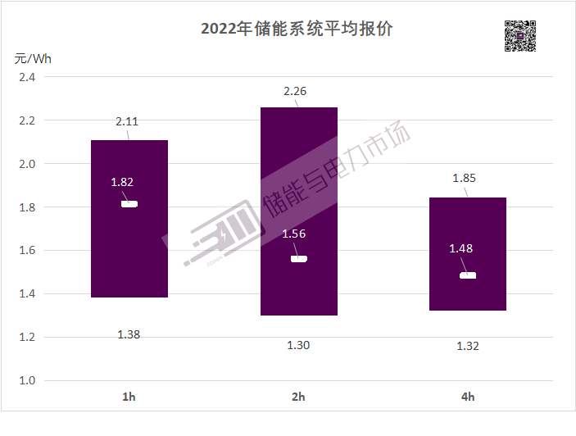
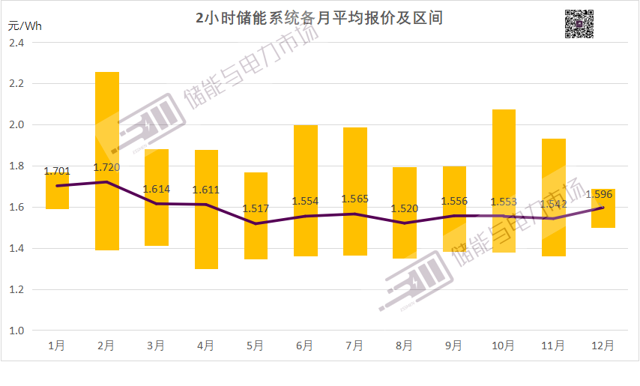
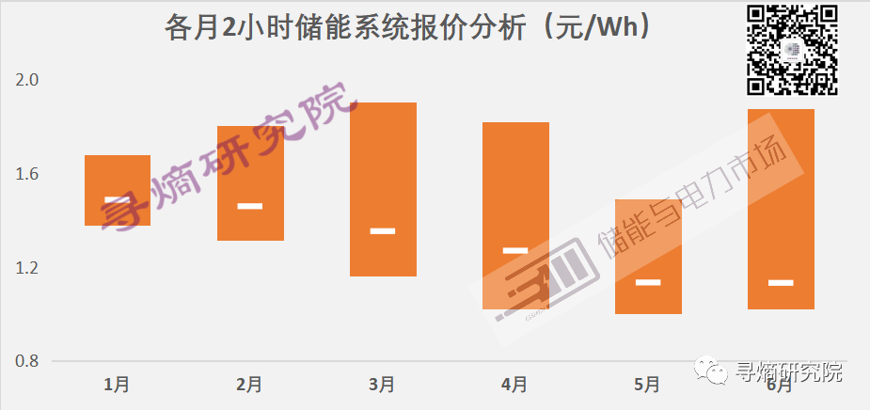
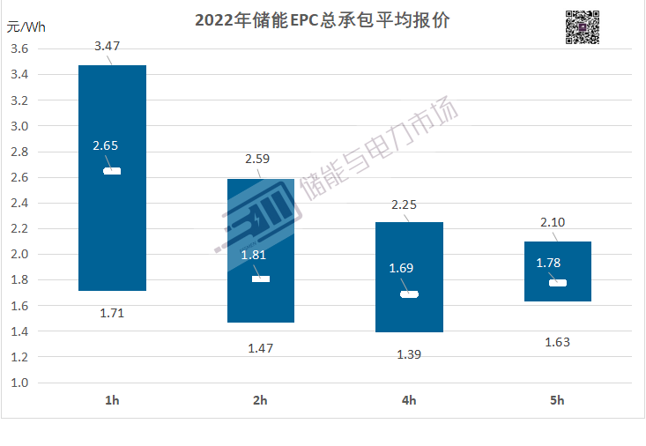
 | 2021 | LiFePO4 Battery System (2022) |  |  |  |  |  | LiFePO4 Battery System (2023H1) |  |  | system vs EPC price differnce |  |  | Average EPC Price excluding Battery System
 | EPC Price |  | system cost (rmb/Wh) |  |  | EPC price |  |  | system cost (rmb/Wh) | EPC price |  |  |  | 0.30 | 2022RMB/Wh
 |  |  |  |  |  |  |  |  |  |  |  |  |  | Average EPC Price excluding Battery Only
1hr system |  | 1.38 | 1.82 | 2.11 | 1.71 | 2.65 | 3.47 |  | 1.54 | 1.92 | 0.83 | 0.38 |  | 0.54 | 2022RMB/Wh
2hr system |  | 1.3 | 1.57 | 2.26 | 1.47 | 1.81 | 2.59 |  | 1.24 | 1.61 | 0.24 | 0.37 |  | 138440 | 2012USD/MW
4hr system |  | 1.32 | 1.48 | 1.85 | 1.39 | 1.69 | 2.25 |  | 1.18 | 1.34 | 0.21 | 0.16
average | 1.475 |  |  |  |  |  |  |  |  |  |  |  |  | Average Battery System Cost
 |  |  |  |  |  |  |  |  |  |  |  |  |  | 2021 | 2022 | 2023
Difference from 2hr system | 119.45% | 106.15% | 115.92% | 93.36% | 116.33% | 146.41% | 133.98% |  | 124.19% | 119.25% |  |  | 2022RMB/Wh | 1.475 | 1.57 | 1.24
 | 100.00% | 100.00% | 100.00% | 100.00% | 100.00% | 100.00% | 100.00% |  | 100.00% | 100.00% |  |  | 2012USD/MW | 389025 | 403054 | 311333
 | 91.36% | 101.54% | 94.27% | 81.86% | 94.56% | 93.37% | 86.87% |  | 95.16% | 83.23%

BNEF Outlook
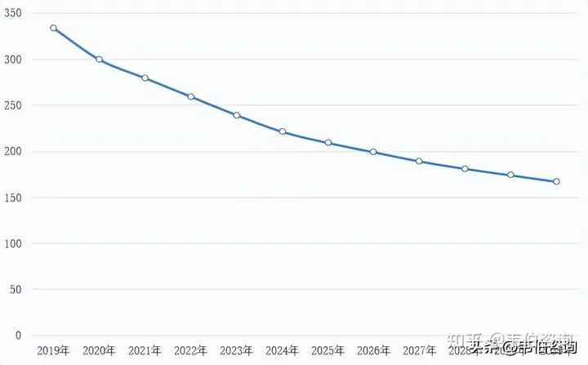
 | China 2hr storage system | Global 4hr storage systen | Global 4hr storage system | China 2hr storage system | China 4hr storage system inferred | Global 4hr storage systen | Global 4hr storage system
Year | 2020RMB/Wh | 2020USD/KWh | 2022USD/KWh | 2012USD/KWh | 2012USD/KWh | 2012USD/KWh | 2012USD/KWh
2017 |  |  | 558.00 |  |  |  | 439.70
2018 |  |  | 387.00 |  |  |  | 304.95
2019 |  | 333.71 | 341.00 |  |  | 296.04 | 268.71
2020 | 1.50 | 299.24 | 267.00 | 206.48 | 188.63 | 265.46 | 210.39
2021 | 1.30 | 278.91 | 256.00 | 178.95 | 163.48 | 247.42 | 201.73
2022 | 1.20 | 259.47 | 324.00 | 165.18 | 150.90 | 230.18 | 255.31
2023 | 1.10 | 239.14 |  | 151.42 | 138.33 | 212.14
2024 | 1.00 | 221.46 |  | 137.65 | 125.75 | 196.46
2025 | 0.90 | 209.09 |  | 123.89 | 113.18 | 185.48
2026 |  | 199.37 |  |  |  | 176.86
2027 |  | 188.76 |  |  |  | 167.45
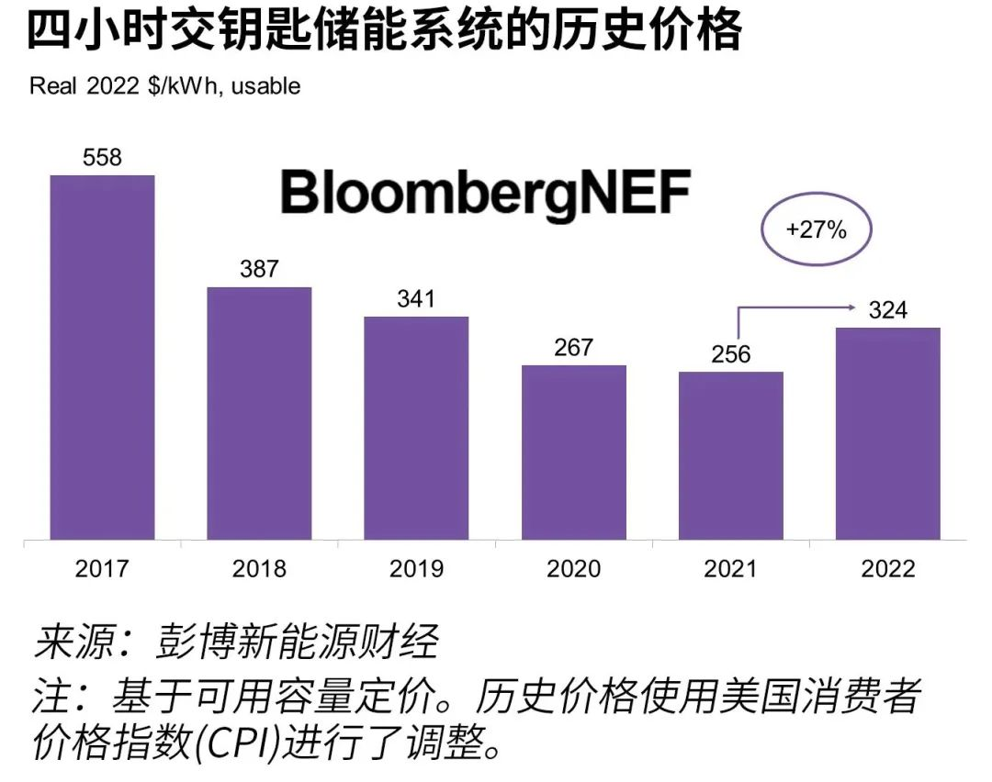
2028 |  | 180.80 |  |  |  | 160.39
2029 |  | 174.62 |  |  |  | 154.91
2030 |  | 167.55 |  |  |  | 148.63

 | China 2hr storage system | Global 4hr storage systen | Global 4hr storage system | China 4hr storage system inferred
2017 |  |  | 439.70
2018 |  |  | 304.95
2019 |  | 296.04 | 268.71
2020 | 206.48 | 265.46 | 210.39 | 188.63
2021 | 178.95 | 247.42 | 201.73 | 163.48
2022 | 165.18 | 230.18 | 255.31 | 150.90
2023 | 151.42 | 212.14 |  | 138.33
2024 | 137.65 | 196.46 |  | 125.75
2025 | 123.89 | 185.48 |  | 113.18
2026 |  | 176.86
2027 |  | 167.45
2028 |  | 160.39
2029 |  | 154.91
2030 |  | 148.63
 | BNEF 2020 | 韦伯咨询：2023年中国储能行业专题调研与深度分析报告
 | BNEF 2022 | 2022年储能系统成本调查_电力网 (chinapower.com.cn)

